Sheet1
 |  |  |  |  |  |  |  |  | 117.39 € | 297,924.10 € | 2538
Image | style + color | ARTICLE CODE | GENDER | PRODUCT | DESC COLOUR | COMPOSITION | MADE IN | HS CODE | UNIT WHS | TOT WHS | TOT UNITS | XS | S | M | L | XL | XXL
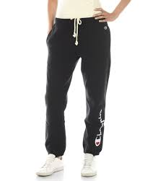 | 112058-KK001 | 112058KK001 | Female | Pants | NBK | 100%CO | IT | 62046239 | 80.00 € | 160.00 € | 2 | 0 | 1 | 1 | 0 | 0 | 0
 | 113636-KK001 | 113636KK001 | Female | Windbreaker | NBK | 58%PA 42%PL | IT | 62029300 | 192.60 € | 17,141.40 € | 89 | 24 | 29 | 25 | 11 | 0 | 0
 | 113637-KK001 | 113637KK001 | Female | Coat | NBK | 58%PA 42%PL | IT | 62021390 | 285.20 € | 22,816.00 € | 80 | 23 | 29 | 19 | 9 | 0 | 0
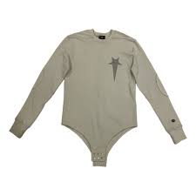 | 113639-ES057 | 113639ES057 | Female | Body Suit | SVL | 87%CO 13%PL | IT | 61142000 | 114.80 € | 5,510.40 € | 48 | 7 | 19 | 16 | 6 | 0 | 0
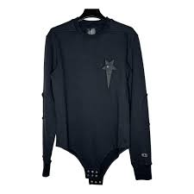 | 113639-KK001 | 113639KK001 | Female | Body Suit | NBK | 87%CO 13%PL | IT | 61142000 | 114.80 € | 12,398.40 € | 108 | 17 | 39 | 35 | 15 | 2 | 0
 | 113640-ES057 | 113640ES057 | Female | Maxi Tank Top | SVL | 100%PL | IT | 61143000 | 74.10 € | 889.20 € | 12 | 2 | 2 | 3 | 2 | 2 | 1
 | 113640-KK001 | 113640KK001 | Female | Maxi Tank Top | NBK | 100%PL | IT | 61143000 | 74.10 € | 2,667.60 € | 36 | 4 | 8 | 9 | 8 | 4 | 3
 | 113641-KK001 | 113641KK001 | Female | Crewneck Top | NBK | 100%PL | IT | 61143000 | 113.00 € | 15,933.00 € | 141 | 34 | 52 | 39 | 16 | 0 | 0
 | 113642-KK001 | 113642KK001 | Female | Maxi Tank Top | NBK | 100%CO | IT | 61142000 | 94.40 € | 188.80 € | 2 | 0 | 1 | 1 | 0 | 0 | 0
 | 113644-ES057 | 113644ES057 | Female | Pants | SVL | 100%PL | IT | 61046300 | 125.90 € | 16,996.50 € | 135 | 33 | 49 | 37 | 16 | 0 | 0
 | 113644-KK001 | 113644KK001 | Female | Pants | NBK | 100%PL | IT | 61046300 | 125.90 € | 5,036.00 € | 40 | 9 | 15 | 11 | 5 | 0 | 0
 | 113645-KK001 | 113645KK001 | Female | Pants | NBK | 58%PA 42%PL | IT | 62046318 | 120.40 € | 1,444.80 € | 12 | 6 | 6 | 0 | 0 | 0 | 0
 | 113646-ES057 | 113646ES057 | Female | Shorts | SVL | 100%PL | IT | 61046300 | 74.10 € | 6,891.30 € | 93 | 23 | 27 | 27 | 12 | 4 | 0
 | 113646-KK001 | 113646KK001 | Female | Shorts | NBK | 100%PL | IT | 61046300 | 68.60 € | 3,292.80 € | 48 | 12 | 14 | 14 | 7 | 1 | 0
 | 113648-KK001 | 113648KK001 | Female | Shorts | NBK | 58%PA 42%PL | IT | 62046390 | 74.10 € | 6,298.50 € | 85 | 18 | 27 | 24 | 13 | 3 | 0
 | 113649-ES057 | 113649ES057 | Female | Skirt | SVL | 100%PL | IT | 61046300 | 94.40 € | 1,227.20 € | 13 | 2 | 2 | 3 | 3 | 2 | 1
 | 113650-KK001 | 113650KK001 | Female | Skirt | NBK | 58%PA 42%PL | IT | 62045300 | 90.00 € | 5,220.00 € | 58 | 15 | 19 | 16 | 6 | 2 | 0
 | 113652-ES057 | 113652ES057 | Female | Sleeveless Cr | SVL | 100%PL | IT | 61143000 | 74.10 € | 3,556.80 € | 48 | 13 | 16 | 13 | 6 | 0 | 0
 | 113653-KK001 | 113653KK001 | Female | Crewneck Crop | NBK | 100%PL | IT | 61143000 | 90.00 € | 7,470.00 € | 83 | 23 | 25 | 22 | 10 | 3 | 0
 | 113654-ES057 | 113654ES057 | Female | V-Neck T-Shir | SVL | 100%PL | IT | 61143000 | 74.10 € | 9,040.20 € | 122 | 32 | 48 | 31 | 11 | 0 | 0
 | 113657-KK001 | 113657KK001 | Female | V-Neck T-Shir | NBK | 100%PL | IT | 61143000 | 88.10 € | 3,347.80 € | 38 | 13 | 16 | 9 | 0 | 0 | 0
 | 113671-ES057 | 113671ES057 | Female | Crewneck Top | SVL | 100%PL | IT | 61143000 | 114.80 € | 8,839.60 € | 77 | 25 | 27 | 18 | 7 | 0 | 0
 | 113675-KK001 | 113675KK001 | Female | Maxi Tank Top | NBK | 100%PL | IT | 61143000 | 90.00 € | 13,770.00 € | 153 | 44 | 51 | 40 | 14 | 4 | 0
 | 113684-KK001 | 113684KK001 | Female | Brief | NBK | 100%PL | IT | 61045300 | 64.80 € | 1,684.80 € | 26 | 4 | 7 | 6 | 4 | 3 | 2
 | 113685-KK001 | 113685KK001 | Female | Brief | NBK | 100%PL | IT | 61045300 | 64.80 € | 1,101.60 € | 17 | 3 | 4 | 4 | 3 | 2 | 1
 | 113842-KK001 | 113842KK001 | Female | Shorts | NBK | 100%PL | IT | 61046300 | 72.20 € | 72.20 € | 1 | 0 | 1 | 0 | 0 | 0 | 0
 | 215084-KK001 | 215084KK001 | Male | Brief | NBK | 100%PL | IT | 61071200 | 65.00 € | 520.00 € | 8 | 1 | 2 | 3 | 1 | 1 | 0
 | 215084-WW001 | 215084WW001 | Male | Brief | WHT | 100%PL | IT | 61071200 | 65.00 € | 650.00 € | 10 | 1 | 3 | 3 | 2 | 1 | 0
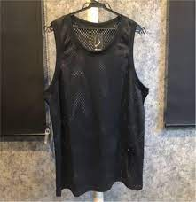 | 215086-KK001 | 215086KK001 | Male | Tank Top | NBK | 100%PL | IT | 61099020 | 85.00 € | 2,295.00 € | 27 | 2 | 11 | 5 | 8 | 1 | 0
 | 215086-WW001 | 215086WW001 | Male | Tank Top | WHT | 100%PL | IT | 61099020 | 85.00 € | 2,125.00 € | 25 | 4 | 8 | 9 | 3 | 1 | 0
 | 215087-WW001 | 215087WW001 | Male | Crewneck Top | WHT | 100%PL | IT | 61143000 | 118.50 € | 592.50 € | 5 | 5 | 0 | 0 | 0 | 0 | 0
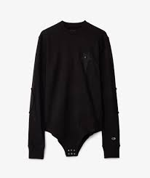 | 215089-KK001 | 215089KK001 | Male | Body Suit | NBK | 87%CO 13%PL | IT | 61142000 | 118.50 € | 2,607.00 € | 22 | 6 | 7 | 1 | 7 | 1 | 0
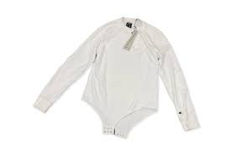 | 215089-WW001 | 215089WW001 | Male | Body Suit | WHT | 87%CO 13%PL | IT | 61142000 | 118.50 € | 2,844.00 € | 24 | 8 | 12 | 1 | 3 | 0 | 0
 | 215140-KK001 | 215140KK001 | Male | Brief | NBK | 100%CO | IT | 61071100 | 73.00 € | 1,387.00 € | 19 | 4 | 7 | 6 | 2 | 0 | 0
 | 215140-WW001 | 215140WW001 | Male | Brief | WHT | 100%CO | IT | 61071100 | 73.00 € | 1,679.00 € | 23 | 4 | 5 | 9 | 4 | 1 | 0
 | 215141-KK001 | 215141KK001 | Male | Brief | NBK | 100%CO | IT | 61071100 | 44.00 € | 1,628.00 € | 37 | 4 | 13 | 12 | 6 | 2 | 0
 | 215141-WW001 | 215141WW001 | Male | Brief | WHT | 100%CO | IT | 61071100 | 44.00 € | 1,584.00 € | 36 | 4 | 12 | 12 | 6 | 2 | 0
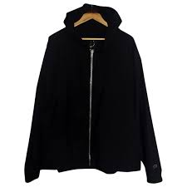 | 215148-KK001 | 215148KK001 | Male | Windbreaker | NBK | 58%PA 42%PL | IT | 62019300 | 196.30 € | 7,066.80 € | 36 | 4 | 16 | 9 | 7 | 0 | 0
 | 215152-KK001 | 215152KK001 | Male | Coat | NBK | 58%PA 42%PL | IT | 62011390 | 285.20 € | 32,798.00 € | 115 | 8 | 27 | 32 | 32 | 14 | 2
 | 215155-ES057 | 215155ES057 | Male | Sleeveless Cr | SVL | 100%PL | IT | 61143000 | 79.60 € | 3,263.60 € | 41 | 3 | 9 | 13 | 9 | 6 | 1
 | 215155-KK001 | 215155KK001 | Male | Sleeveless Cr | NBK | 100%PL | IT | 61143000 | 79.60 € | 2,069.60 € | 26 | 3 | 8 | 10 | 5 | 0 | 0
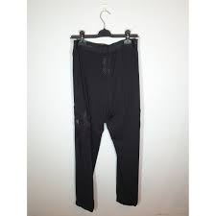 | 215157-KK001 | 215157KK001 | Male | Pants | NBK | 100%PL | IT | 61034300 | 129.60 € | 7,387.20 € | 57 | 8 | 18 | 18 | 13 | 0 | 0
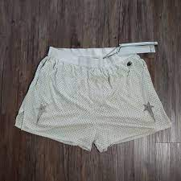 | 215158-ES057 | 215158ES057 | Male | Shorts | SVL | 100%PL | IT | 61034300 | 74.10 € | 4,520.10 € | 61 | 8 | 19 | 20 | 12 | 2 | 0
 | 215158-KK001 | 215158KK001 | Male | Shorts | NBK | 100%PL | IT | 61034300 | 74.10 € | 1,556.10 € | 21 | 5 | 9 | 5 | 2 | 0 | 0
 | 215225-KK001 | 215225KK001 | Male | V-Neck T-Shir | NBK | 100%PL | IT | 61143000 | 79.60 € | 5,572.00 € | 70 | 10 | 16 | 19 | 15 | 7 | 3
 | 215227-KK001 | 215227KK001 | Male | Sleeveless Cr | NBK | 100%PL | IT | 61143000 | 77.80 € | 3,890.00 € | 50 | 5 | 12 | 13 | 12 | 7 | 1
 | 215228-KK001 | 215228KK001 | Male | Coat | NBK | 100%PL | IT | 61013010 | 300.00 € | 300.00 € | 1 | 0 | 1 | 0 | 0 | 0 | 0
 | 215230-ES057 | 215230ES057 | Male | Maxi Tank Top | SVL | 100%PL | IT | 61143000 | 79.60 € | 3,661.60 € | 46 | 5 | 9 | 12 | 10 | 8 | 2
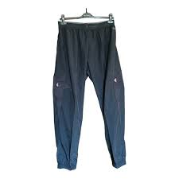 | 215234-KK001 | 215234KK001 | Male | Pants | NBK | 58%PA 42%PL | IT | 62034319 | 125.90 € | 1,762.60 € | 14 | 0 | 2 | 10 | 2 | 0 | 0
 | 215428-KK001 | 215428KK001 | Male | Windbreaker | NBK | 100%PL | IT | 61013090 | 214.80 € | 28,353.60 € | 132 | 12 | 27 | 34 | 34 | 22 | 3
 | 215472-KK001 | 215472KK001 | Male | Shorts | NBK | 58%PA 42%PL | IT | 62034390 | 74.10 € | 4,816.50 € | 65 | 5 | 15 | 18 | 17 | 9 | 1

